Sheet1
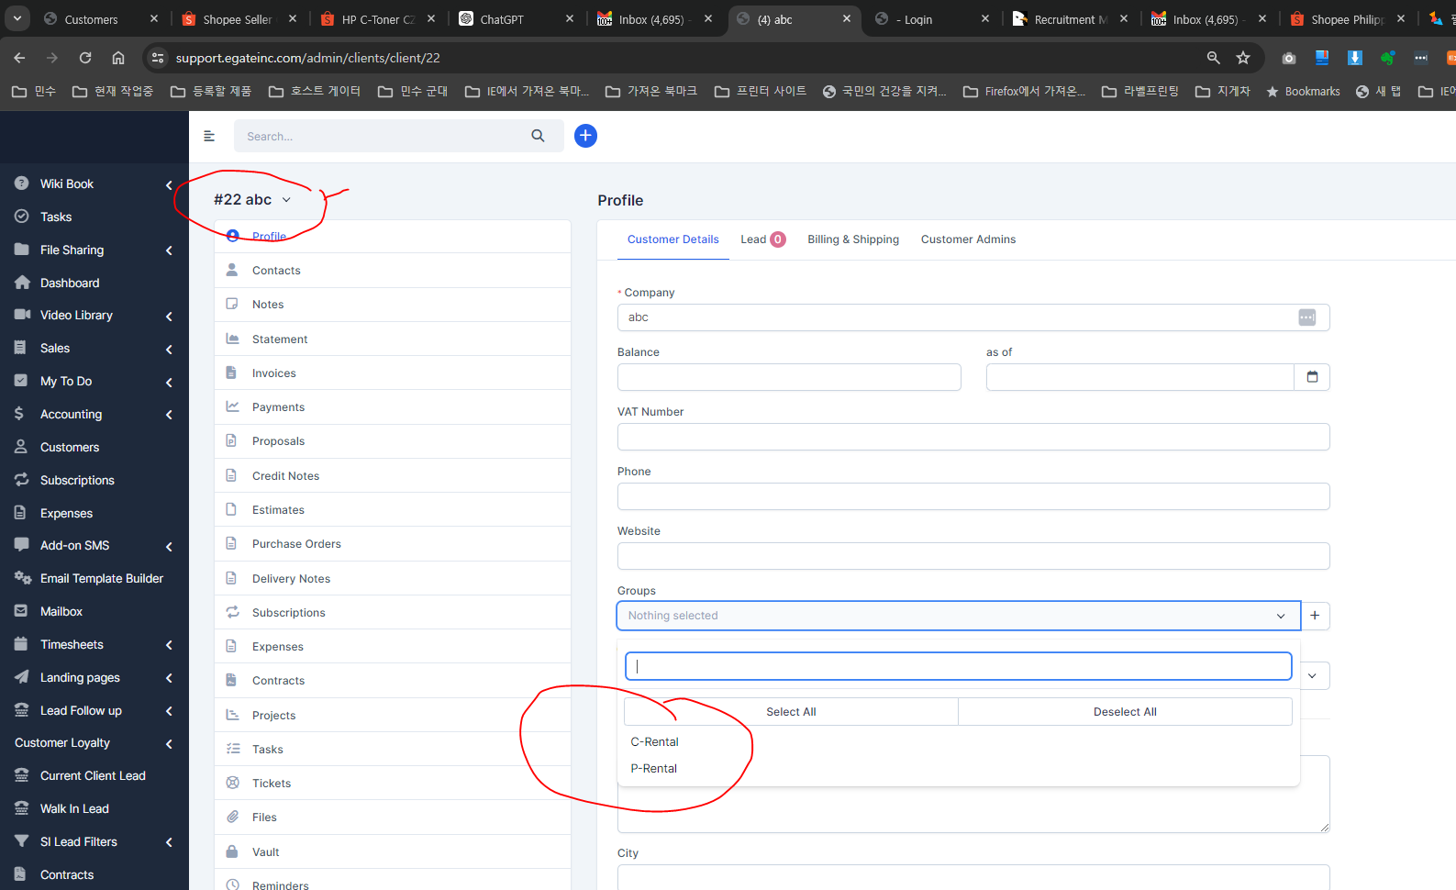
step1 |  |  | I added customer group and changed name

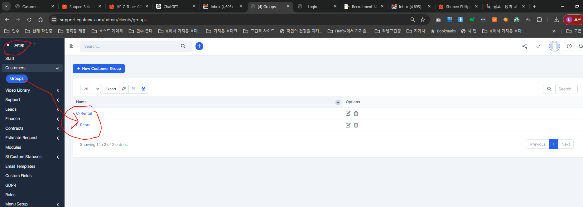

Task1 | Error | alll company -- I can not edit this group here --- after saving -- it shows blank

